20221125
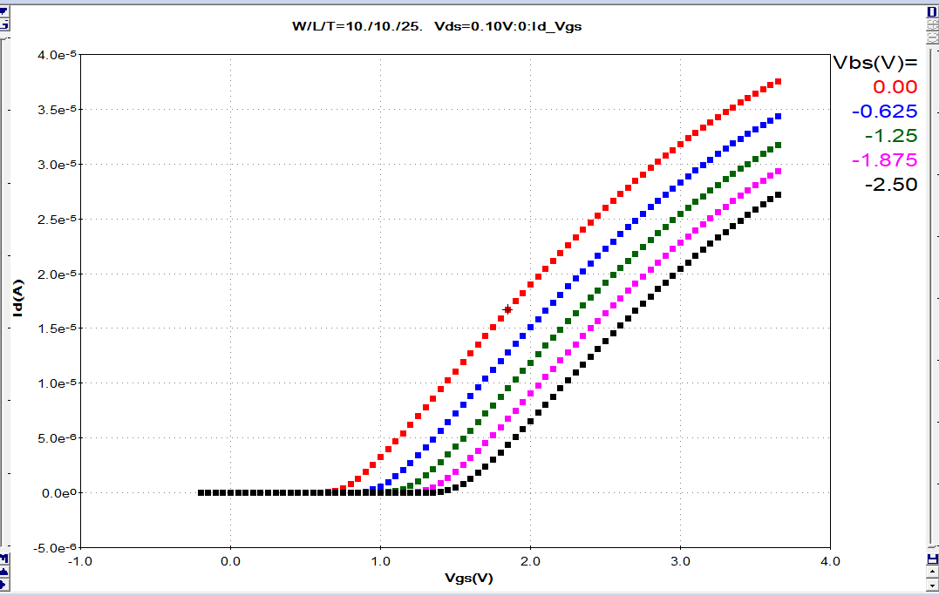
 | MOS | WAT mapping |  | Bias condition |  | algorithm | Comment | Action
 |  |  | CGG | VG=VGG,VD=VS=VB=0 | 重复了，删除 |  |  | Waive
 |  |  | CGG_acc | VG=-VGG,VD=VS=VB=0 | 重复了，删除 |  |  | Waive
 |  |  | vtgm | VD=0.05/0.1*type VS=0,VB=0, Sweep Vg from -0.2*type to 2*type,ID_VG曲线上，GM最大点切线与X轴截距，减去0.5*VDS*type |  | vt_gm | VTH_GM_TTR | Ok
 |  |  | vtlin | VD=0.05/0.1*type, VS=0,VB=0, Sweep Vg from -0.2*type to 2*type, find Id=1e-7*W/L | type=1 for NMOS -1 for PMOS | Vt |  | Ok
 |  |  | vtsat | VD=vdd VS=0,VB=0, Sweep Vg from -0.2*type to 2*type, find Id=1e-7*W/L | type=1 for NMOS -1 for PMOS | Vt |  | Ok
 |  |  | dibl | VTSAT-VTLIN |  | Vt | Dibl=(Vt_lin-Vt_sat)/(Vd_sat-Vd_lin+1.E-20)？？ | Ok | Vd_sat-Vd_lin的條件是?
 |  |  | idlin | VD=0.05/0.1*type VS=0,VB=0, Vg=Vgg, measure id | type=1 for NMOS -1 for PMOS | Idsat | Idsat | Ok
 |  |  | idsat | Vd=Vdd VS=0,VB=0, Vg=Vgg, measure id |  | Idsat |  | Ok
 |  |  | ioff | Vd=Vdd VS=0,VB=0, Vg=0, measure id |  | Idoff |  | Ok
 |  |  | ioff2 | Vd=1.1*Vdd VS=0,VB=0, Vg=0, measure id |  | Idoff |  | Ok
 |  |  | isoff | Vd=Vdd VS=0,VB=0, Vg=0, measure is |  | Isoff | output Is | Modify
 |  |  | igoff | Vd=Vdd VS=0,VB=0, Vg=0, measure ig
 |  |  | iboff | Vd=Vdd VS=0,VB=0, Vg=0, measure ib
 |  |  | igacc | Vd=0 VS=0,VB=0, Vg=-Vgg, measure ig
 |  |  | iginv | Vd=0 VS=0,VB=0, Vg=Vgg, measure ig
 |  |  | swing_lin | 0.01/[log10(I1)-log10(I2)],I1@VD=0.05/0.1 VS=0,VB=0, Vg=Vthlin-0.05,I2@VD=0.05/0.1 VS=0,VB=0, Vg=Vthlin-0.06 | I1&I2是ID嗎?是 | vt_gm_std+CAL+Calc_log10 | Create a new one as described. | Modify
 |  |  | swing_sat | 0.01/[log10(I1)-log10(I2)],I1@VD=vdd VS=0,VB=0, Vg=Vthsat-0.05,I2@VD=vdd VS=0,VB=0, Vg=Vthsat-0.06 |  | vt_gm_std+CAL+Calc_log10 |  | Modify
 |  |  | gammalin | 1000*[vtlin1(vbs=-0.5*vgg)-vtlin] |  | vt_gm_std+CAL | vtlin calculate,Vt+CAL | Ok
 |  |  | gammasat | 1000*[vtsat1(vbs=-0.5*vgg)-vtsat] |  | vt_gm_std+CAL | vtsat calculate,Vt+CAL | Ok
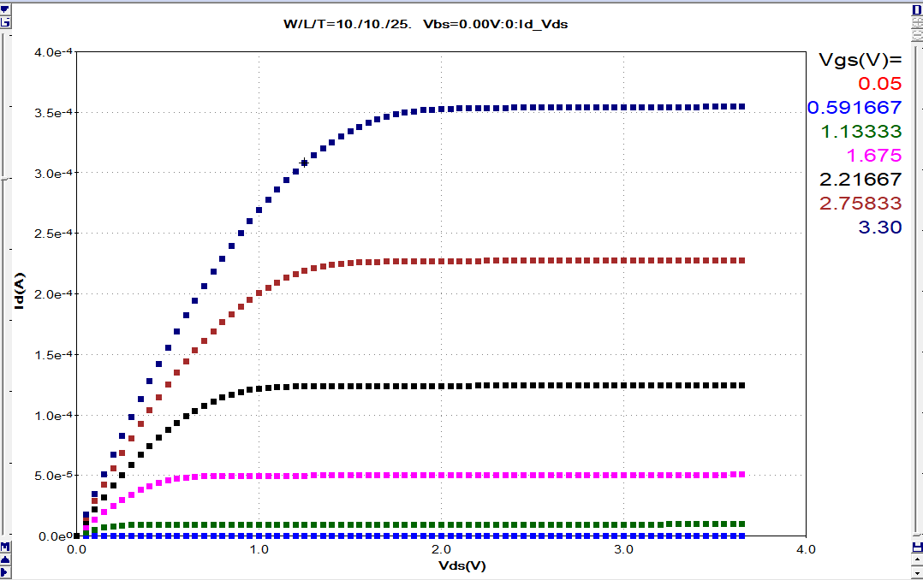
 |  |  | gm | ΔID/ΔVG, @VG=Vtgm+0.225*type, VD=Vdd/2, VS=0, VB=0,measure id,VG=Vtgm+0.175V*type, VD=Vdd/2, VS=0, VB=0,measure id | type=1 for NMOS -1 for PMOS | vt_gm_std | VTGM calculate，Idsat;slop化简后三点之间间距？ | Ok
 |  |  | gds | (I1-I2)/0.1,即ΔID/ΔVD,I1@VG=VTGM+0.2*TYPE,VD=0.5*VDD+0.05,I2@VG=VTGM+0.2*TYPE,VD=0.5*VDD-0.05
 |  |  | ida | VD=0.5*VDD, VG=VTHGM+0.2*type,vs=vb=0, measure id | type=1 for NMOS -1 for PMOS | vt_gm_std+Idsat | VTGM calculate | Ok
 |  |  | id2 | VG=0.5*VGG,VD=VDD, measure id |  | Idsat |  | Ok
 |  |  | id3 | VG=VGG,VD=0.5*VDD, measure id |  | Idsat |  | Ok
 |  |  | Isubmax | VD=VDD, VS=0, VB=0, sweep VG from 0~Vdd, output VG&IB@Isubmax |  | Isubmax |  | Ok
 |  |  | Ideff/Body Effect | VD=Vdd, VG=Vgg,VB=-0.5Vdd, VS=0, output ID |  | Idsat |  | Ok
 |  |  | rout | 1/gds |  | Idsat+CAL | ??,无gds | Modify | gds=1/rds=id/vd
 |  |  | gain | gm/gds
 |  |  | cgcacc | vg=-vgg, G=CML, S&D=CMH, B=GND, ac bias=0.05V,ac freq=100kHz, measure C |  | Cap_tox_mos | Device terminals need 4 ports，gate force voltage | Modify | ok
 |  |  | cgc0 | vg=0, G=CML, S&D=CMH, B=GND, ac bias=0.05V,ac freq=100kHz, measure C |  | Cap_tox_mos | Device terminals need 4 ports，gate force voltage | Modify
 |  |  | cgc | vg=vgg, G=CML, S&D=CMH, B=GND, ac bias=0.05V,ac freq=100kHz, measure C |  | Cap_tox_mos | Device terminals need 4 ports，gate force voltage | Modify
 |  |  | cggacc | VG=-VGG,G=CML, S&D&B=CMH，ac bias=0.05V,ac freq=100kHz, measure C |  | Cap_tox_mos | Device terminals need 4 ports，gate force voltage | Modify
 |  |  | TOX | (W*L*3.9*8.854E-14)/CGG, Calculate from CGG |  | Cap_tox_mos | Device terminals need 4 ports，gate force voltage | Modify
 |  |  | cgg | VG=VGG,G=CML, S&D&B=CMH，ac bias=0.05V,ac freq=100kHz, measure C |  | Cap_tox_mos | Device terminals need 4 ports，gate force voltage | Modify
 |  |  | bvs | S/B junction breakdown ，sweep Vs,output Vs@Is=1uA
 |  |  | bvd | D/B junction breakdown ，sweep Vd,output Vd@Id=1uA | Id=1uA?是 | Bvd
 |  |  | MOS mismatch | MOS1: Vtgm1, Vtlin1, Vtsat1, Idlin1, Idsat1; MOS2:Vtgm2, Vtlin2, Vtsat2, Idlin2, Idsat2; Delta: ΔVtgm=(Vtgm1-Vtgm2), Δvtlin=(Vtlin1-Vtlin2), Δvtsat=(Vtsat1-Vtsat2), Δidlin=[(idlin1-idlin2)/(idlin1+idlin2)*2], Δidsat=[(idsat1-idsat2)/(idsat1+idsat2)*2]
 |  |  | LOD/WPE |  |  |  |  | Waive
 |  | IV curve | ID_VG | 参考附件 |  | Id_Vg_loop | Gata & Bulk sweep@Vd=0.1 | Modify
 |  |  | ID_VD | 参考附件 |  | Id_Vd_loop | Drain & Gate sweep@Vb=0 | Ok
 |  |  | ID_VG2 | 参考附件 |  | Id_Vg_loop | Gata & Bulk sweep@Vd=Vdd | Modify
 |  |  | ID_VD2 | 参考附件 |  | Id_Vd_loop | Drain & Gate sweep@Vb=-Vdd | Ok
 |  |  | VTH_GM | 参考附件 |  | vt_gm |  | Waive
 |  |  | IB_VG | 参考附件
 |  |  | IG_VG | 参考附件
 |  |  | IOFF2 | Vd=1.1*Vdd VS=0,VB=0, Vg=-0.5~Vgg, measure id |  | Id_Vd_loop | sweep curve | Modify
 |  | CV curve | CGG | sweep Vg from -Vgg to Vgg, G=CML, S&D&B=CMH，ac bias=0.05V,ac freq=100kHz, measure C |  | Curve_CV84_MOS |  | Ok
 |  |  | CGC | sweep Vg from -Vgg to Vgg, G=CML, S&D=CMH, B=GND, ac bias=0.05V,ac freq=100kHz, measure C |  | Curve_CV84_MOS | Bulk to gnd(let bulk=0) | Modify
 | BJT | WAT mapping | BETA | ie=0.5e-6A,1E-6A,25E-6A VB=VC=0V,measure ic and ib,Beta=ic/ib |  | BETAPNP | force_i | Modify
 |  |  | VBE | ie=0.5e-6A,1E-6A,25E-6A VB=VC=0V,measure Vb and Ve,Vbe=Vb-Ve | SPICE Vbe
q |  |  | HFE | VCE=Vdd,VB=0.1uA,output IC/IB |  | BETAPNP |  | Waive
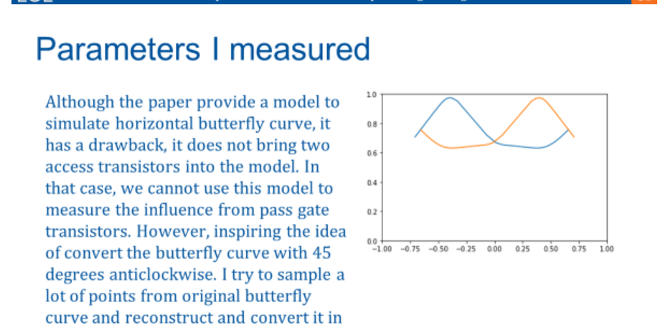
 |  |  | Bvceo | sweep vce,VB floating, output VH@IH=1uA |  | bvceo_std | sweep terminal | Modify
 |  |  | Bvcbo | sweep vcb,VE floating, output VH@IH=1uA |  | bvcbo_std | sweep terminal | Modify
 |  |  | Bvebo | sweep veb,VC floating, output VH@IH=1uA |  | bvebo_std | sweep terminal | Modify
 |  |  | Mismatch | Δvbe,(beat1-beta2)/(beta1+beta2)*2
 |  | IV curve |  | 参考附件
 | Diode | WAT mapping | BV | sweep VH,output VH@IH=1uA
 |  |  | C0 | Vj=0, j=CMH, s=CML, measure C @ ac bias=0.05, ac freq= 100kHz |  | Cap_tox |  | Ok
 |  |  | Ileak | VH=1.1*Vdd,output IH |  | Ileak |  | Ok
 |  | IV curve |  | sweep Vj, output Ij
 |  | CV curve |  | sweep Vj, j=CMH, s=CML, measure C @ ac bias=0.05, ac freq= 100kHz
 | RES | WAT mapping | RESV | Vforce=0.1V, VL=0, measure I,Calculate RS | 2端电压法 | R2t_fv | 执行两次？？ | Ok
 |  |  | RESV_3T | Vforce=0.1V, VL=VB=0, measure I,Calculate RS | 3端电压法 | R3t_fv_TB |  | Ok
 |  |  | RESI | Iforce=0.1uA, measure V,Calculate RS | 2端电流法 | R2t_fi |  | Ok
 |  |  | RESI_4T | Iforce=0.1uA, measure V1&V2, Calculate RS | 4端法 | R4t |  | Ok
 |  |  | RESI_5T | Iforce=0.1uA, B=0, measure V1&V2, Calculate RS | 4端法+BULK接地 | R4t | add bulk termianl | Ok
 |  |  | MISMATCH | ΔR=(R1-R2)/(R1+R2)*2
 |  |  | MISMATCH-4T | 同上
 |  | IV curve | RESV_SW | sweep Vforce, measure I, Calculate RS | 2端电压法 IV curve | Curve_4I_V_R | resistor test | Modify
 |  |  | RESV_SW_3T | sweep Vforce, VB=0, measure I, Calculate RS | 3端电压法 IV curve | Curve_4I_V_R | resistor test | Modify
 |  |  | RESI_SW | sweep Iforce, measure V, Calculate RS | 2端电流法 IV curve | Curve_4I_V_R | resistor test | Waive
 |  |  | RESI_SW_4T | sweep Iforce, measure V1&V2, Calculate RS | 4端法 IV curve | Curve_4I_V_R | resistor test | Waive
 |  |  | RESI_SW_5T | sweep Iforce, B=0, measure V1&V2, Calculate RS | 4端法+BULK接地 IV curve | Curve_4I_V_R | resistor test | Waive
 | MOM | WAT mapping | Cmom | Vj=Vbias, j=CMH, s=CML, measure C/Tox/Leakage @ ac bias=0.05, ac freq= 100kHz |  | Cap_tox |  | Ok
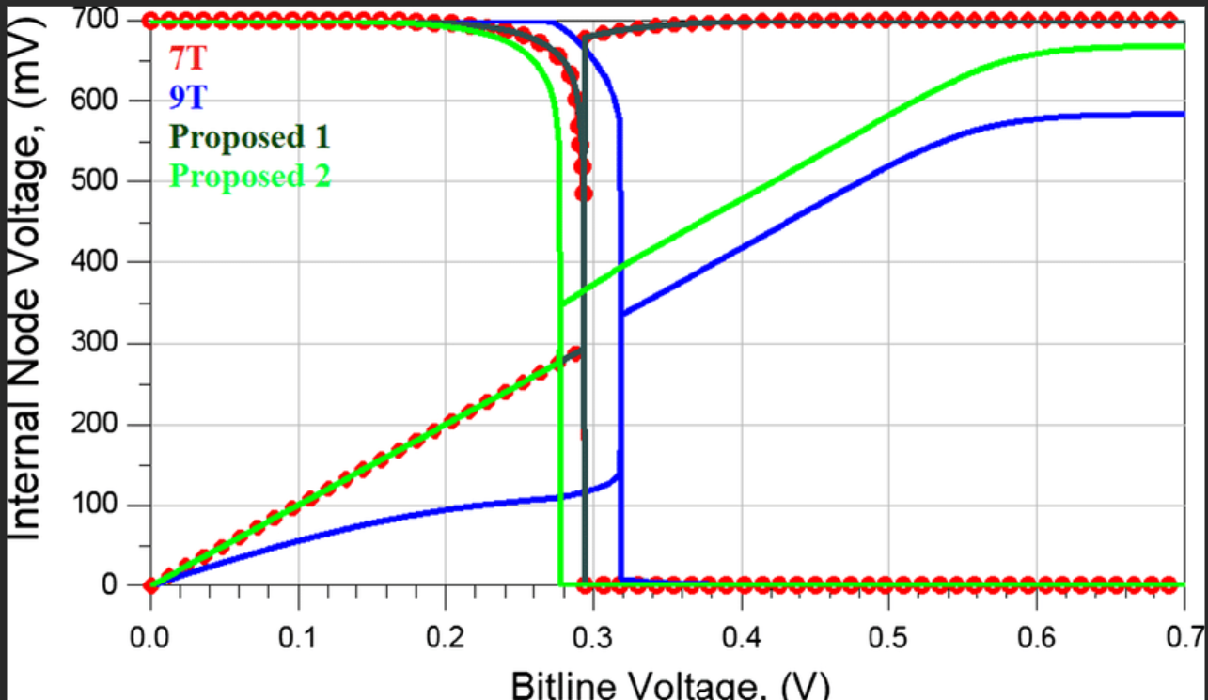
 |  |  | MISMATCH | MOM1: C1, Tox1, Leakage1; MOM2: C2, Tox2, Leakage2; Delta: (C1-C2)/(C1+C2)*2 |  | Cap_tox+CAL | mismatch,点值 | Ok
 |  | CV curve | CV | sweep Vj, j=CMH, s=CML, measure C @ ac bias=0.05, ac freq= 100kHz |  | Curve_CV84 | Curve_CV84?? | Ok
 | MIM | WAT mapping | Cmim | Vj=Vbias, j=CMH, s=CML, measure C/Tox/Leakage @ ac bias=0.05, ac freq= 100kHz |  | Cap_tox |  | Ok
 |  |  | MISMATCH | MIM1: C1, Tox1, Leakage1; MIM2: C2, Tox2, Leakage2; Delta: (C1-C2)/(C1+C2)*2 |  | Cap_tox+CAL | mismatch,点值 | Ok
 |  | CV curve | CV | sweep Vj, j=CMH, s=CML, measure C @ ac bias=0.05, ac freq= 100kHz |  | Curve_CV84 | Curve_CV84?? | Ok
 | IP | RING | Delay time | powbus=Vdd, com=0, buffer=Vbuffer, enable=Venable_on, out connect 频谱分析仪，measure frequence, Calculate delay time,measure IDDA=Ipowbus powbus=Vdd, com=0, buffer=Vbuffer, enable=Venable_off, measure IDDQ=Ipowbus |  |  |  | Modify | ok
 |  | SRAM | SNM/SWM/IREAD/STANDBY CURRENT/Ileakage | SNM: Vdd/WL/BL/BLB=Vdd, Vss=GND, force SNR i=0, sweep SNL Vstart to Vstop, measure Vsnr; force SNL i=0sweep SNR Vstart to Vstop, measure Vsnl, Calculate SNMMAX. WNM: left: Vdd/WL/BL/BLB=Vdd, SNL=Vdd, SNR=0, Vss=GND, force SNR i=0, force SNL i=0, sweep BL Vstart to Vstop, measure Vbl, Vsnl_L, Vsnr_L; right: Vdd/WL/BL/BLB=Vdd, SNR=Vdd, SNL=0, Vss=GND, force SNR i=0, force SNL i=0, sweep BLB Vstart to Vstop, measure Vblb, Vsnl_R, Vsnr_R Iread: Vdd=WL=BL=BLB=SNR=Vbias, force SNL i=0, Vss=GND, measure IBL, IBLB Istandby:Pre-charge SNL=VDD, SNR=0, WL= 0, Vdd=BL=BLB,measure measure I_vss Ileakage: WL=0, Vdd=BL=BLB=SNR=Vbias, force SNL i=0, Vss=GND, measure IBL, IBLB ?? |  | SRAM_read&write | 极坐标转45°计算SNM | Modify
 |  | SRAM-8T
 | Varactor CV |  | Cmax | VG=VH=Vgg, VSD=VB=0, VG force AC signal,output capacitance |  | Cap_tox |  | Ok
 |  |  | C0 | VG=VH=0, VSD=VB=0, VG force AC signal,output capacitance |  | Cap_tox |  | Ok
 |  |  | Cmin | VG=VH=-Vgg, VSD=VB=0, VG force AC signal,output capacitance |  | Cap_tox |  | Ok
 |  | CV curve | CV | G=CMH，SD=Low，B=GND，sweep Vbias，measure CV curve， |  | Curve_CV84 |  | Ok
 | MOSCAP | WAT mapping | Cox | G=CML,S/D/B=CMH,force Vbias,measure C |  | Cap_tox_mos | Device terminals need 4 ports,gate force voltage | Modify | ok
 |  |  | Tox | (W*L*εr*8.854E-14)/Cox, Calculate from Cox |  | Cap_tox_mos | Device terminals need 4 ports,gate force voltage | Modify | ok
 |  |  | BV | sweep Vg，S/D/B=0，output Vg@Ig=1uA |  | Bvd | sweep Vg,BVgs | Modify
 |  |  | MISMATCH | MOSCAP1: C1, Tox1, Leakage1; MOSCAP2: C2, Tox2, Leakage2; Delta: (C1-C2)/(C1+C2)*2
 |  | CV curve | CV | sweep Vg, G=CML, S&D&B=CMH，ac bias=0.05V,ac freq=100kHz, measure C |  | Curve_CV84_MOS |  | Ok
 |  | IV curve | Ig curve | sweep Vg, S/D/B=0,measure Ig |  | Curve_4I_Vg |  | Ok

BJT
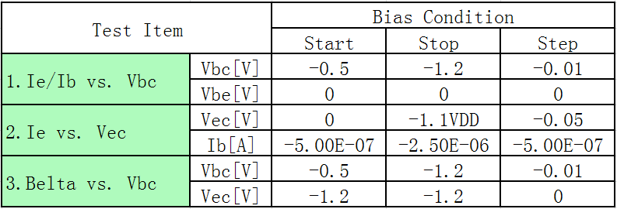
Forward:
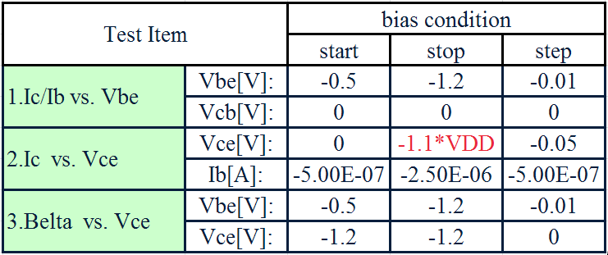

reverse:

